1. Title Page
Grocery Basket Analysis

Project Name: Instacart Grocery Basket Ananlysis
Date: 11/06/2023
Analyst Name: Marta Kolesnyk

Contents:
Population Flow
Consistency checks
Wrangling steps
Column derivations
Visualizations
Recommendations

Data Citation | “The Instacart Online Grocery Shopping Dataset 2017”, Accessed from www.instacart.com/datasets/grocery-shopping-2017 via Kaggle on <date>. "Customers" dataset and "Prices" column in "Products" dataset were fabricated for learning purposes.

2. Population Flow
Title page

Population flow

Exclusion flag
Condition: max_order < 5
Obervations to be removed: 1,440,045
Final total count of order_products_all: 30,959,687

Orders_products_combined
Orders_products_merged
Orders_products_all

Total: 32,434,489
Total: 32,399,732
Total: 30,959,687

1.) The grey boxes in the first row of the population flow represent the original data sets as they were when you downloaded them. In the Total fields you need to add the count of the rows when you imported the data set into Jupyter.
2.) The second row of boxes (coloured) represents the data sets after you manipulated them, e.g., removed missing values and duplicates. In the Total fields you need to add the count of the rows after conducting these operations. This offers a visual oveview of how the data flows throughout the data consistency checks.
3.) The third row, where also the arrows are coloured, represents the merges you performed between the datasets. In the Total fields you need to add the count of the rows in the merged datasets, so that you end up with the final dataset (in the red box). Keep in mind the final dataset should be without exclusions (based on the exclusion flag).

3. Consistency checks
 |  |  |  |  | Title page
Consistency checks

Dataset | Unrealistic values | Missing values | Missing values treatment | Duplicates
orders | No unrealistic values found | 206,209 missing values in 'days_since_prior_order' | Values were not removed or imputed, as they provide useful info (they are present in the rows with only one order, where no further orders were placed) | No duplicate rows found
products | Removed 2 rows with unrealistic values in 'prices' column: 99,999 and 14,900 | 16 values in 'product_name' column | 16 missing values removed | 5 duplicated rows removed
orders_products_prior | No unrealistic values found | No missing values found | N/A | No duplicate rows found
customers | No unrealistic values found | 11,259 missing values in 'first_name' column | Replaced with 'Unknown' to fix mixed-type data | No duplicate rows found

4. Wrangling steps
 |  |  |  |  |  | Title page
Wrangling steps

Dataset | Transposed | Columns dropped | Columns renamed | Columns' type changed | Comment/Reason
orders |  | eval_set |  |  | Not needed for the analysis.
 |  |  | order_dow -> order_day_of_week |  | Renamed a column to give a more explanatory name.
 |  |  |  | order_id: int64 -> str | ID column, changed data type to exclude the column from descriptive statistics.
 |  |  |  | user_id: int64 -> str | ID column, changed data type to exclude the column from descriptive statistics.
 |  | Unnamed: 0 |  |  | Duplicated index column, not needed.
department | wide format -> long format |  |  |  | Transposed to merge with another dataframe, based on department_id column.
orders_products_combined |  | _merge |  |  | Merge flag that was used to check the result of merging two dataframes, not needed anymore.
customers |  |  | First Name -> first_name Surnam -> last_name Gender -> gender STATE -> state Age -> age |  | Renamed columns to keep the consistency in names.
 |  |  |  | user_id: int64 -> str | ID column, changed data type to exclude the column from descriptive statistics.
orders_products_flagged |  |  |  | user_id: int64 -> str | Changed data type to merge with 'customers' dataset.
 |  | _merge |  |  | Merge flag that was used to check the result of merging two dataframes, not needed anymore.
orders_products_customers_merged |  | first_name last_name |  |  | PII data, each customer has a unique user_id, that will be used for the analysis.
departments_wrangled |  |  | Unnamed: 0 -> department_id |  | Renamed key column to merge two dataframes.

5. Column derivations
 |  |  |  |  | Title page

Column derivations and aggregations

In this tab you should add tables below that the frequences of flags/label variables that you produced after deriving them. NB: don't do this for continuous variables, only for flags.
Dataset | New column | Column/s it was derived from | Conditions | Frequency tables
orders_products_merged | price_range_loc | prices | if 'prices' <= 5, then 'Low-range product' if 'prices' > 5 and <= 15, then 'Mid-range product' if 'prices' > 15, then 'High-range product' | Mid-range product 21860860 Low-range product 10126321 High-range product 412551
orders_products_merged | busiest_days | order_day_of_week | if 'order_day_of_week' = 0 or 1, then 'Busiest day' if 'order_day_of_week' = 4 or 3, then 'Least busy' else 'Regular day' | Regularly busy 12914068 Busiest day 11862627 Least busy 7623037
orders_products_merged | busiest_period_of_day | order_hour_of_day | if 'order_hour_of_day' = [10, 11, 14, 15, 13, 12, 16, 9], then 'Most orders' if 'order_hour_of_day' = [17, 8, 18, 19, 20, 7, 21, 22], then 'Average orders' else 'Fewest orders' | Most orders 21114733 Average orders 9996048 Fewest orders 1288951
orders_products_new_variables | max_order | user_id, order_number | Group data by user_id and find max within 'order_number' column | N/A
orders_products_new_variables | loyalty_flag | max_order | if 'max_order' <= 10, then 'New customer' if 'max_orders' > 10 and <= 40, then 'Regular customer' if 'max_order' > 40, then 'Loyal customer' | Regular customer 15874128 Loyal customer 10282763 New customer 6242841
orders_products_new_variables | mean_price | user_id, prices | Group data by user_id and find mean within 'prices' column | N/A
orders_products_new_variables | spending_flag | mean_price | if 'mean_price' < 10, then 'Low spender' if 'mean_price' >= 10, then 'High spender' | Low spender 32280013 High spender 119719
orders_products_new_variables | median_order_day | user_id, days_since_prior_order | Group data by user_id and find median within 'days_since_prior_order' column | N/A
orders_products_new_variables | order_freq_flag | median_order_day | if 'median_order_day' <= 10, then 'Frequent customer' if 'median_order_day' > 10 and <= 20, then 'Regular customer' if 'median_order_day' > 20, then 'Non-frequent customer' | Frequent customer 21556644 Regular customer 7207340 Non-frequent customer 3635743
orders_products_customers_merged | regions | state | if state = ['Maine','New Hampshire','Vermont','Massachusetts','Rhode Island','Connecticut','New York','Pennsylvania','New Jersey'], then 'Northeast' if state = ['Wisconsin','Michigan','Illinois','Indiana','Ohio','North Dakota','South Dakota','Nebraska','Kansas','Minnesota','Iowa','Missouri'], then 'Midwest' if state = ['Idaho','Montana','Wyoming','Nevada','Utah','Colorado','Arizona','New Mexico'], then 'West', else 'South' | South 14000082 Midwest 7596065 Northeast 5721892 West 5081693
orders_products_customers_merged | user_activity_flag | max_order | if 'max_order' < 5, then 'Low activity' if 'max_order' >= 5, then 'Normal activity' | Normal activity 30959687 Low activity 1440045
active_customers_departments_merged | age_group | age | if 'age' >=18 and <30, then '18-29 years old' if 'age' >=30 and <50, then '30-49 years old' if 'age' >=50 and <65, then '50-64 years old' if 'age' >=65 and <=81, then '65-81 years old' | 18-29 years old 5816632 30-49 years old 9729166 50-64 years old 7219622 65-81 years old 8194267
active_customers_departments_merged | income_group | income | if 'income' <= 65000, then 'Low income' if 'income' > 65000 and <= 145000, then 'Medium income' if 'income' > 145000, then 'High income' | Medium income 19075278 Low income 7107833 High income 4776576
active_customers_departments_merged | marital_dependant_group | fam_status | if 'fam_status' = ['divorced/widowed', 'single'], then 'Single without dependants' if 'fam_status' = 'living with parents and siblings', then 'Single with dependants if 'fam_status' = 'married', then 'Married with dependants' | Married with dependants 21740200 Single without dependants 7738508 Single with dependants 1480979

6. Visualizations
 |  |  |  |  |  |  |  |  | Title page

Visualisations

In this tab you should include all the visualtions from Exercises 4.9 and 4.10, alongside the questions from the project brief that they answer. Include any commentary on the relationship between different variables.

 | 1.1. What are the busiest days of the week? |  |  | 1.2.What are the busiest hours of the day?

 | 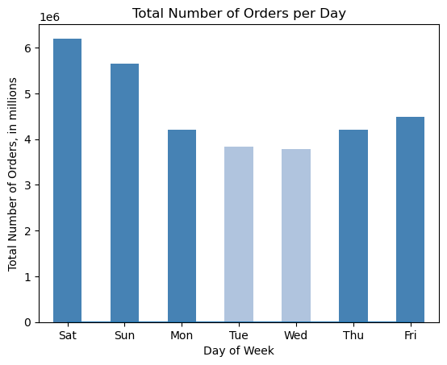 | Customers place the most orders on the weekend days - Saturday and Sunday. The smallest number of orders are placed on Tuesday and Wednesday. |  | 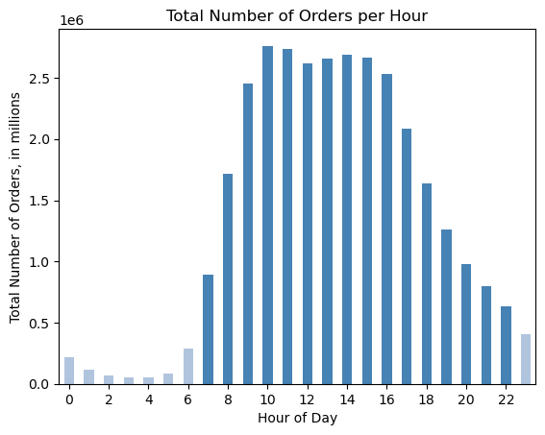 | The number of orders increases noticeably after 6 a.m. Peak hours are between 10 a.m. and 4 p.m. After that time, the number of orders goes down gradually, with the least orders placed between midnight and 6 a.m.

 | 2. What time of the day people spend the most money?
 | 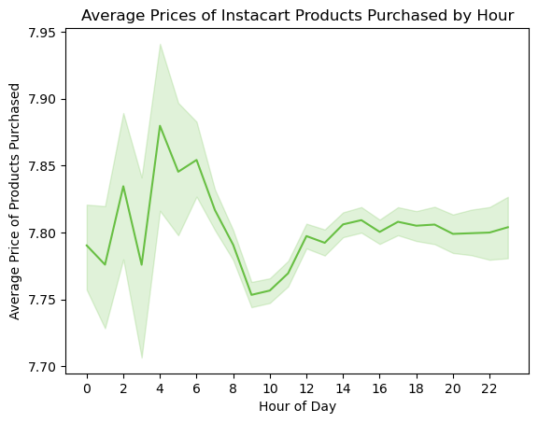 | Avg price of all products purchased = 7.79 Products bought from 4 to 6 a.m. have the highest average prices. People tend to buy slightly cheaper products around 9 - 11 a.m. Overall, the difference in average prices doesn't exceed $ 0.15 throught the day.

 | 3. Create simpler price range groups.
 |  | 25 % of the products have prices less than $5. Vast majority of the products have prices between 1 and 15 dollars, and fewer have prices above 15 dollars. Based on that, the prices can be divided into three categories: - low-range products (below $5), - mid-range products (from $5 to $15), - high-range products (above $15). | 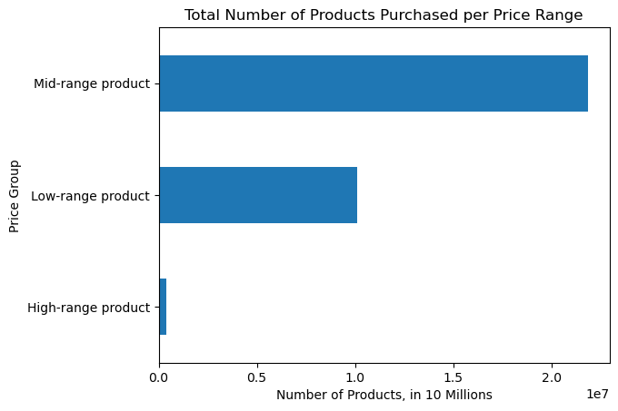 |  | Mid-range products were the most popular among customers. Products over $15 were in the lowest demand.

 | 4. Are certain types of products more popular than others?
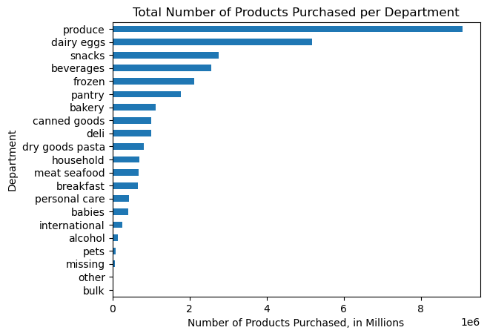 |  | Top-6 departments by number of purchased products : - produce - dairy and eggs - snacks - beverages - frozen - pantry. The same departments generate roughly 75% of total income. | 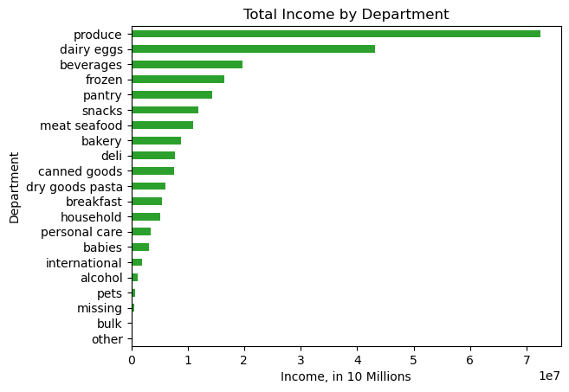 |  | Meat and seafood products are on average twice as expensive as other products. This category is ordered less frequently but provides roughly 5 % of the company's income. |  | 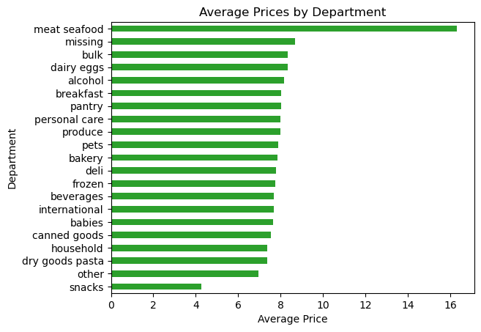

 | 5.1. What is the distribution of customers in terms of the brand loyalty?

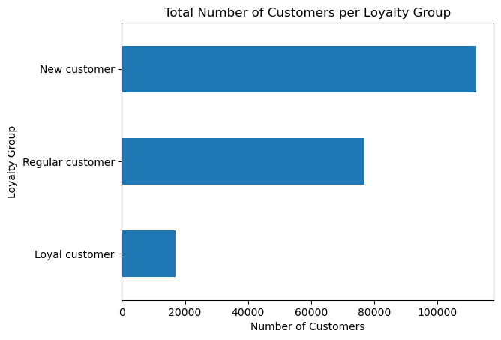 |  | Based on the maximum number of orders, customers were divided into three loyalty groups: - loyal customers (more than 40 orders) - regular customers (from 10 to 40 orders) - new customers (less than 10 orders). The percentage of new customers is the highest - 54%. Loyal customers are less than 10 % of all customers.

 | 5.2. Are there any differences in ordering habits between different loyalty status?

Descriptive Statistics of Product Prices per Loyalty Group
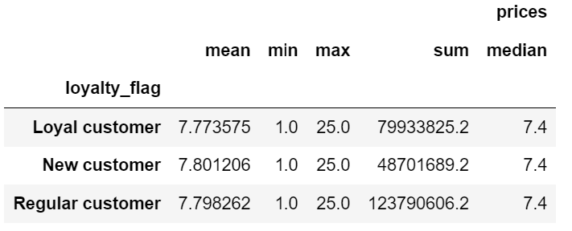 |  | The average price of orders purchased by loyal customers is the lowest compared to the other groups. This group brings 32% of the income. Regular customers bring 49% of the income. New customers on average spend slightly more per one product, but their share in the income is the lowest.

 | 5.3. Are there any differences in ordering habits based on the customer's regions?

Number of Customers within Spending Groups across the U.S. Regions
 | 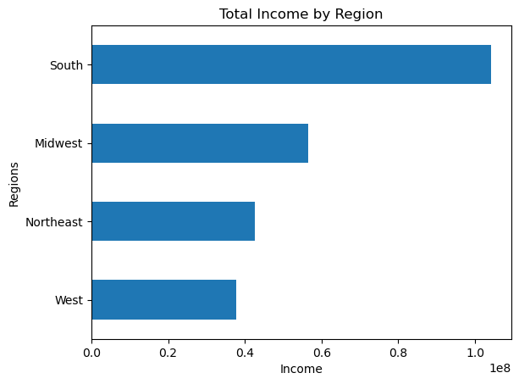 | South region is the leader by company's income - more than 40% of total. All regions share the same tendency of having more low-spending customers (avg price of purchased products less than $10) than high spenders. |  | 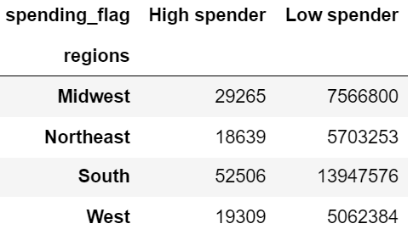
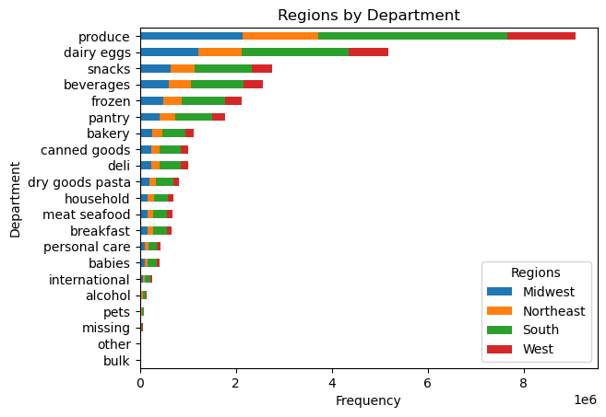 |  | Most of the orders within each department were placed by customers from South and Midwest regions. The popularity of different types of products is the same across regions.

 | 5.4. What might be different customers classifications based on the demographic charcteristics?

 | 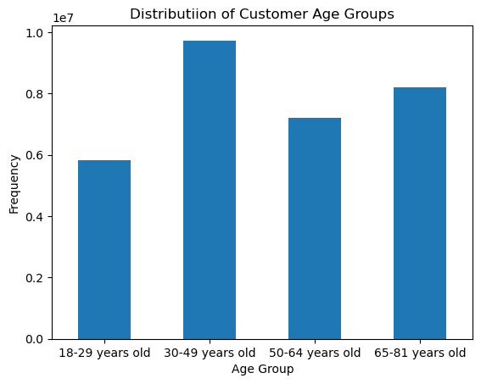 | Most of the company's customers are older than 30 years. | 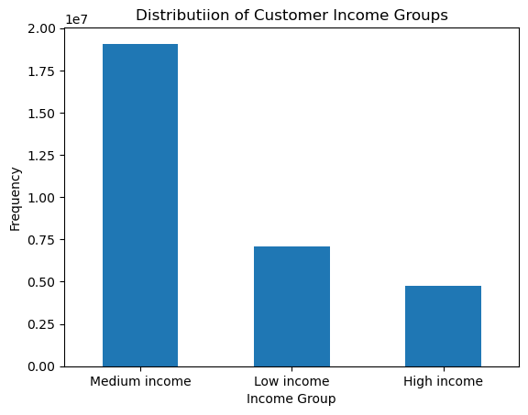 |  | The company has more customers with medium income, while the high-income group is the smallest. | 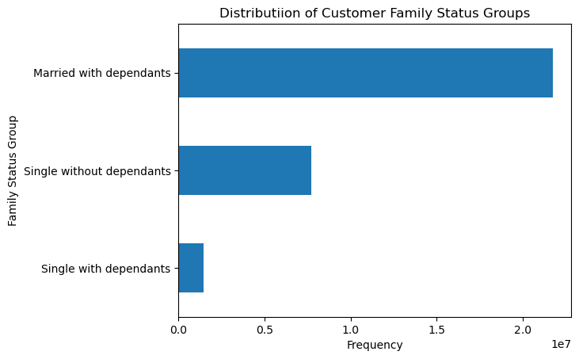 |  | The majority of customers are married and have at least one dependant. Single people with dependants are not frequent buyers.

 | 5.5. How do the ordering habits differ based on the customer profile?

Descriptive Statistics for Age Groups
Descriptive Statistics for Income Groups
Descriptive Statistics for Family Status Groups
 | 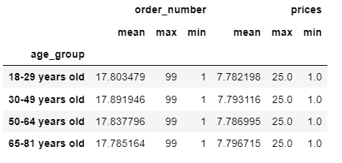 |  | 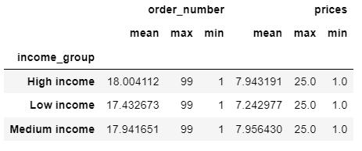 |  |  |  | 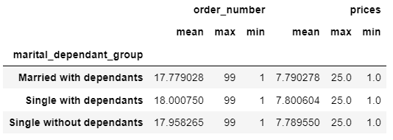
 | All age groups show similar ordering habits. The age doesn't affect the average prices or number of orders the customers make. Also, all age groups buy different categories of products in similar proportions. |  |  | Customers with low income on average buy slightly cheaper products. Because medium income group is the largest, their share in all departments is the most significant. |  |  | Different family groups show similarities in the average number of orders and prices of products they buy. The same kind of products are popular within all family status groups - produce, dairy and eggs are in the highest demand.
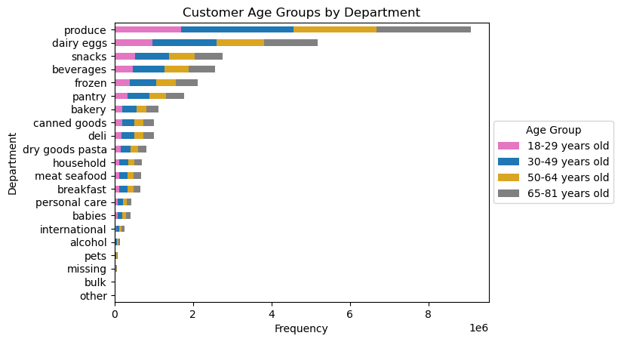 |  |  | 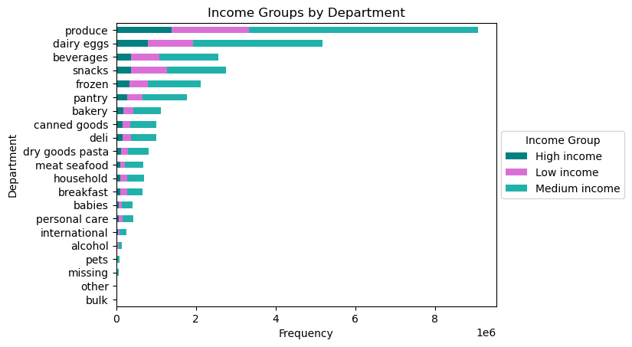 |  |  |  | 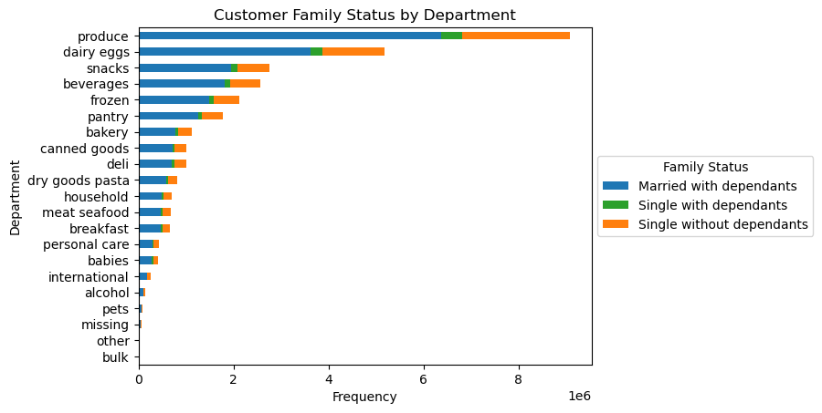

7. Recommendations
 |  |  | Title page

Recommendations

In this tab you should include any recommendations you would made to Instcart in terms of their marketing strategy based on the questions posed in the brief. Every key question has been covered in the Tasks of the Exercises - here you need to add an item - a visualisation or table/crosstable that is showing the answer in the data, acompanied by a comment from you. Please, list the questions below and add the answer underneath.

Question |  | Answer
Key Question 1 | What are the busiest days of the week and hours of the day (i.e., the days and times with the most orders) to schedule ads at times when there are fewer orders. | Ads should be scheduled during workdays, especially on Wednesday and Thursday, from 6 a.m. to 9 a.m. and from 5 p.m. to midnight.
Key Question 2 | Are there particular times of the day when people spend the most money, as this might inform the type of products to advertise at these times. | Customers spend the most money per one product in the early morning, from 4 a.m. to 6 a.m. The lowest spending are within 9-11 a.m.
Key Question 3 | Instacart has a lot of products with different price tags. Marketing and sales want to use simpler price range groupings to help direct their efforts. | Products prices can be divided into three groups: - low-range products (below $5), - mid-range products (from $5 to $15), - high-range products (above $15).
Key Question 4 | Are certain types of products more popular than others? | The most popular products were from the next departments: produce, dairy and eggs, snacks, beverages, frozen, and pantry. The marketing team should also include meat and seafood in their promotions and offer exclusive discounts for these products, as better prices might attract more customers. The least popular were bulk, pets, and alcohol departments, so the marketing team might promote these items as well to boost the sales. Also, there should be a clear explanation of the goods that belong to 'other' and 'missing' departments, as they also have the lowest number of orders.
Key Questions 5 | 5.1. What is the distribution of customers in terms of the brand loyalty? 5.2. Are there any differences in ordering habits between different loyalty status? | The company's customers can be classified as new, regular, and loyal customers. More than half of all customers are new customers. They spend slightly more per product than the other groups, but generate the lowest income as they place fewer orders. The loyal group is the smallest - less than 10 %. Loyal customers spend on average less money per product and bring in almost one-third of the income. Regular customers bring in almost half of the income.
 | 5.3. Are there any differences in ordering habits based on the customers regions? | All regions have more low-spending customers than high-spending, and the same type of products are popular across all regions. South region generates the highest income.
 | 5.4. What might be different customers classifications based on the demographic charcteristics? | Customers can be classified based on their age, income and family status. The company has customers of all ages, but the predominant category is 30-49 years old. There are more medium-income customers, while high-income category is the smallest. Vast majority of customers are married and have dependants.
 | 5.5. How do the ordering habits differ based on the customer profile? | Customers that belong to the low-income group spend on average less per product compared to people with higher income. Besides that, there are no major differences in ordering habits between different customer profiles. Customers of different age, income, and family status groups tend to buy the same type of products and place on average the same number of orders.

